Sheet1
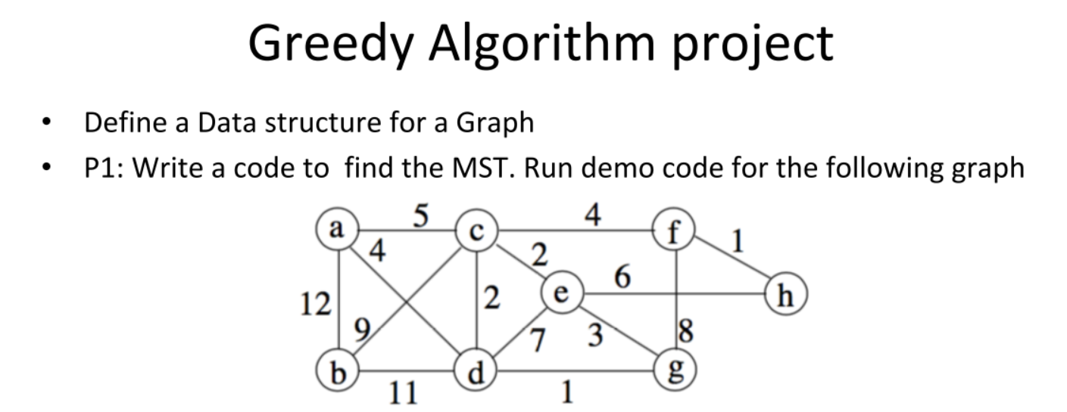
 | a | b | c | d | e | f | g | h
a | 0 | 12 | 5 | 4 | 0 | 0 | 0 | 0
b | 12 | 0 | 9 | 11 | 0 | 0 | 0 | 0
c | 5 | 9 | 0 | 2 | 2 | 4 | 0 | 0
d | 4 | 11 | 2 | 0 | 7 | 0 | 1 | 0
e | 0 | 0 | 2 | 7 | 0 | 0 | 3 | 0
f | 0 | 0 | 4 | 0 | 0 | 0 | 8 | 1
g | 0 | 0 | 0 | 1 | 3 | 8 | 0 | 0
h | 0 | 0 | 0 | 0 | 0 | 1 | 0 | 0

